Sheet1
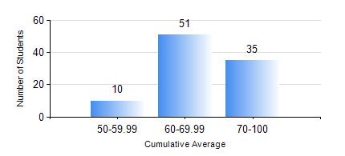
 |  |  | KWAME NKRUMAH UNIVERSITY OF SCIENCE AND TECHNOLOGY, KUMASI Department of Geomatic Engineering

 |  |  | BSC. GEOMATIC ENG.

 |  |  | COMPREHENSIVE RECORD OF EXAMINATION RESULTS

 |  |  | RESULTS OF YEAR 1 SECOND SEMESTER, 2019/2020 ACADEMIC YEAR

 | Sn | Course Code |  | Course Name | Credit Hours | Min. Mark | Max. Mark | Avg. Mark | Std. Dev. | No. Passed | No. Trailed | No. (Df) | No. (I) | No. (I*) | No. Tagged(I,I*,Df) | Total
 | 0. |  |  |  |  |  |  | 0 | 0 | 0 | 0 | 0 | 0 | 0 | 0 | 1
 | 1. | EE 152 |  | BASIC ELECTRONICS | 2 | 56 | 89 | 74 | 5.87 | 93 | 0 | 0 | 2 | 0 | 2 | 95
 | 2. | ENGL 158 |  | COMMUNICATION SKILLS II | 2 | 40 | 94 | 70 | 11.61 | 95 | 0 | 0 | 0 | 0 | 0 | 95
 | 3. | GE 152 |  | CARTOGRAPHY II | 3 | 44 | 92 | 76 | 12.05 | 95 | 0 | 0 | 0 | 0 | 0 | 95
 | 4. | GE 158 |  | INTRODUCTION TO INFORMATION TECHNOLOGY | 3 | 50 | 85 | 69 | 7.06 | 95 | 0 | 0 | 0 | 0 | 0 | 95
 | 5. | GE 162 |  | BASIC SURVEY PRINCIPLES II | 3 | 52 | 90 | 77 | 9.96 | 95 | 0 | 0 | 0 | 0 | 0 | 95
 | 6. | GE 192 |  | PRACTICAL TASK I | 3 | 65 | 88 | 72 | 5.38 | 92 | 0 | 0 | 3 | 0 | 3 | 95
 | 7. | MATH 152 |  | CALCULUS WITH SEVERAL VARIABLES | 4 | 42 | 95 | 72 | 13.09 | 93 | 0 | 0 | 2 | 0 | 2 | 95

